Sheet1
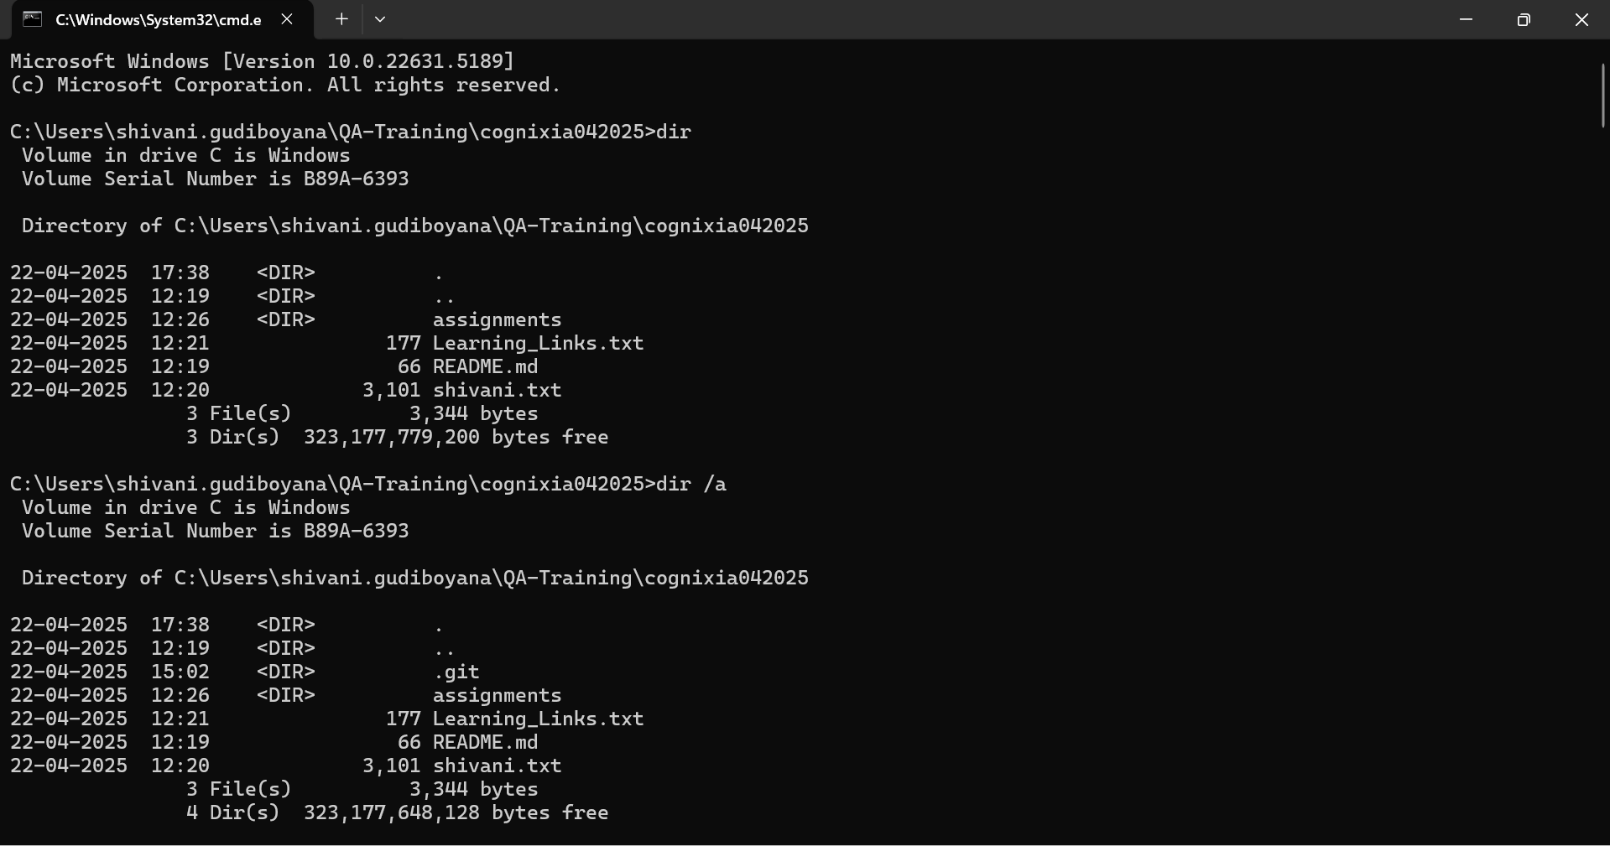
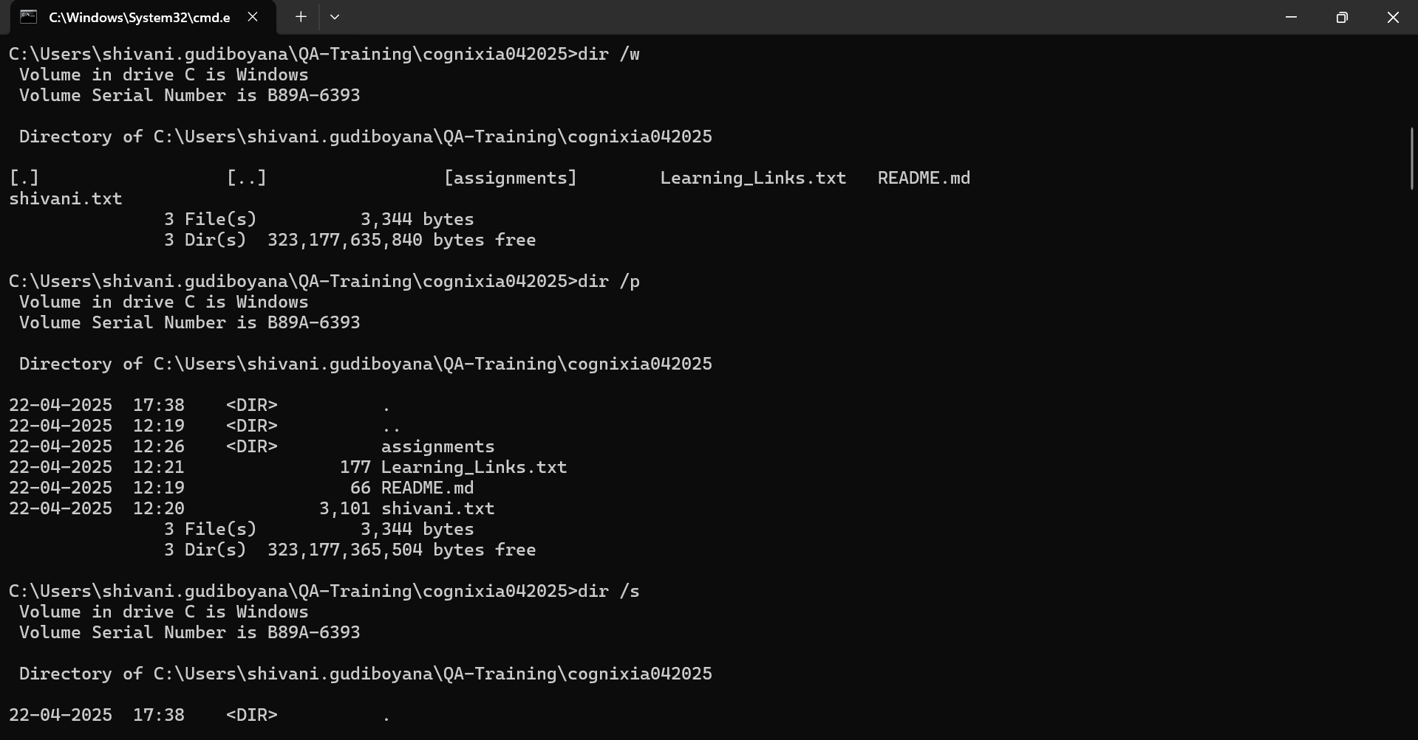
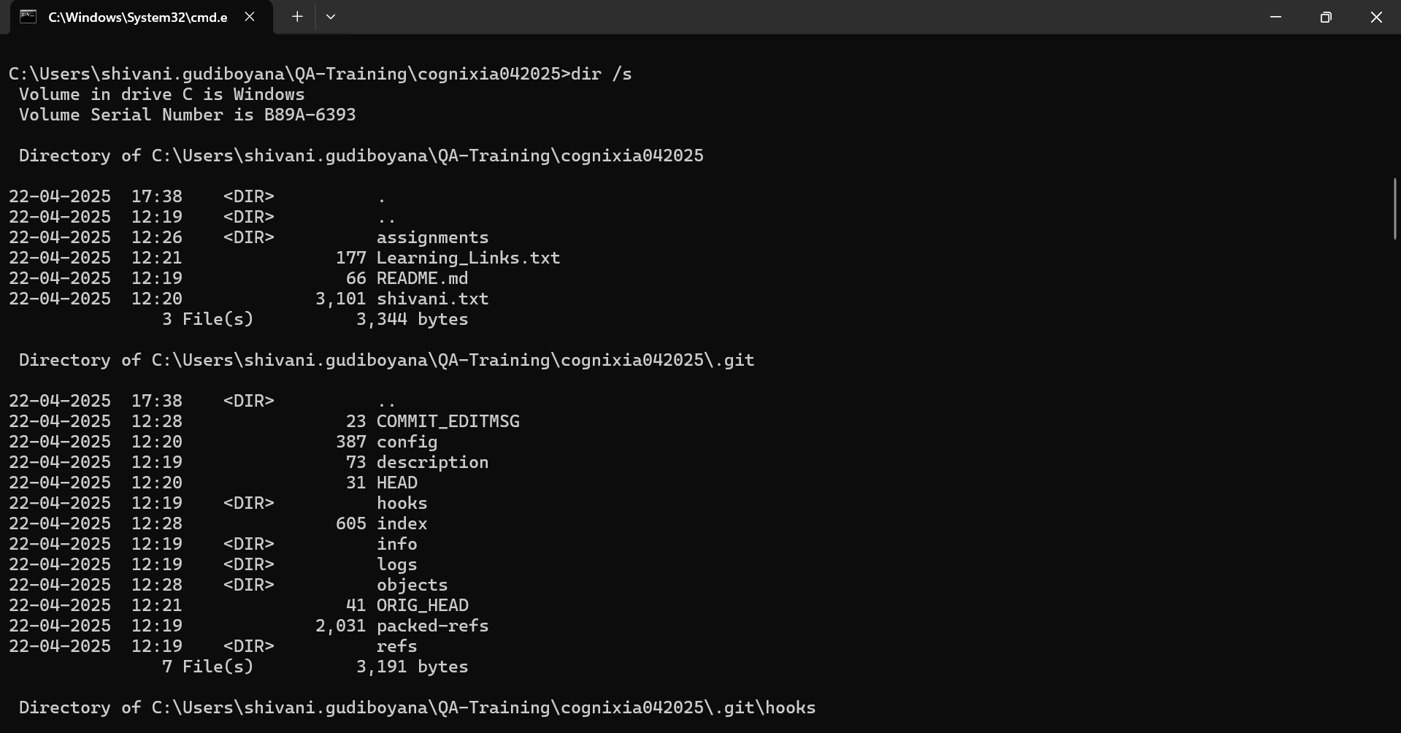
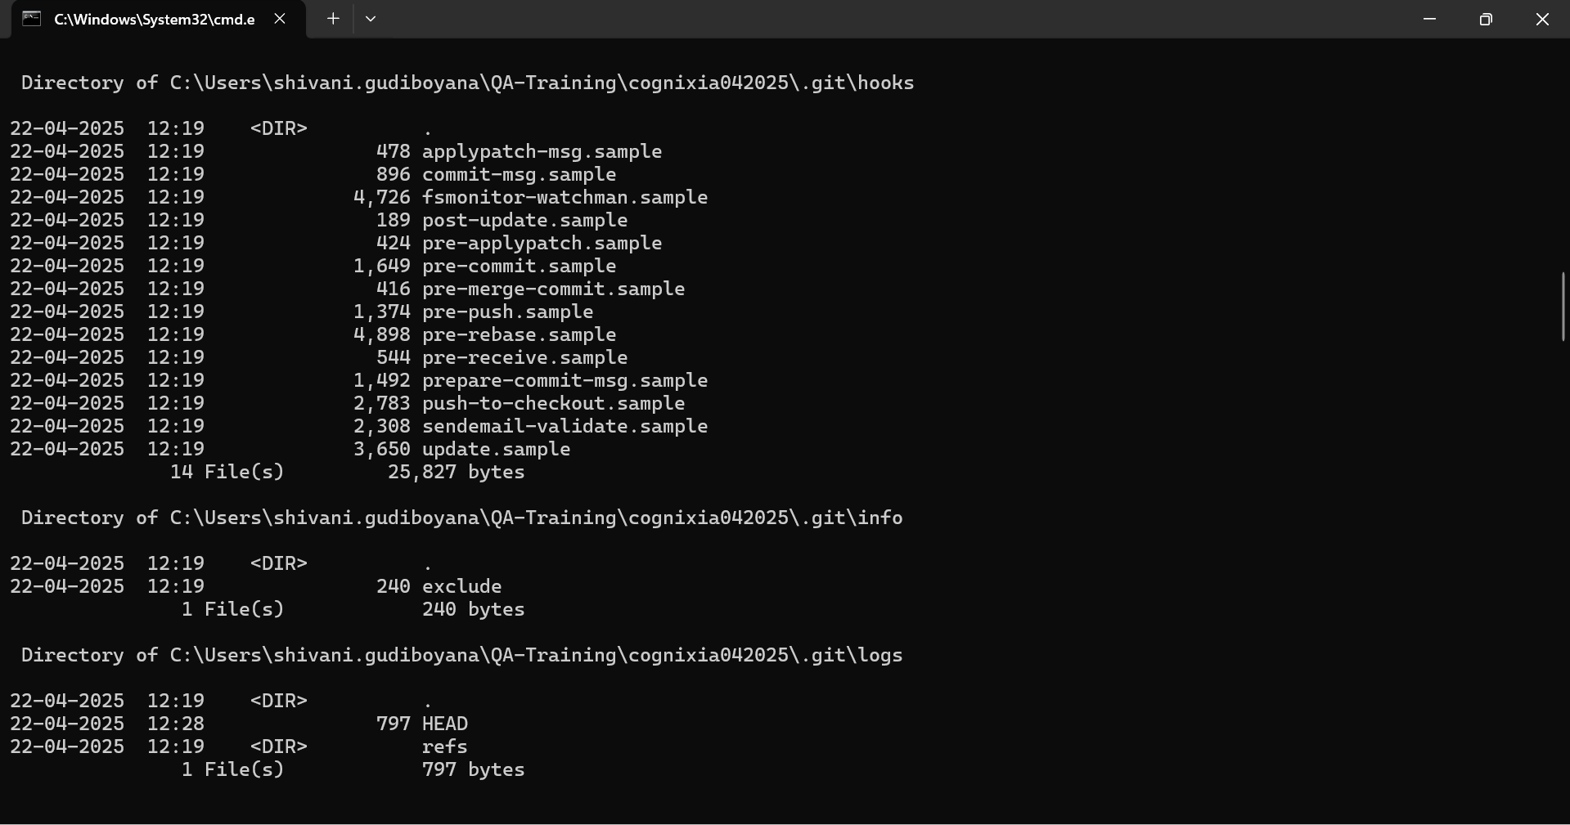
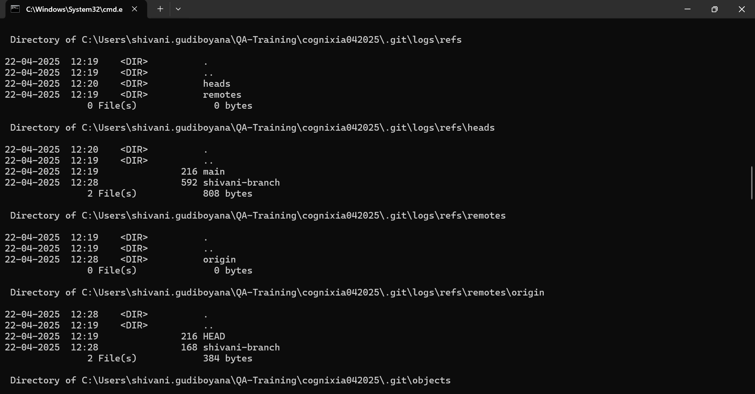
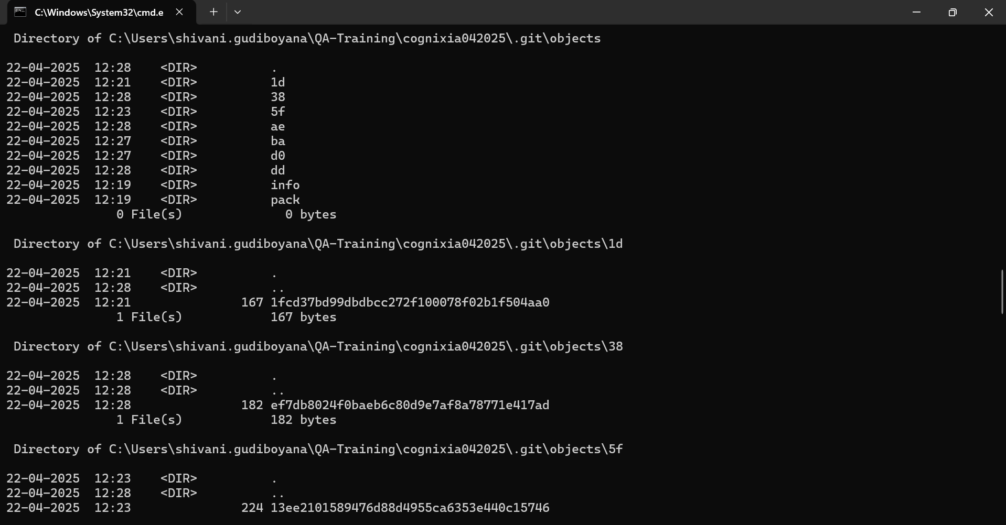
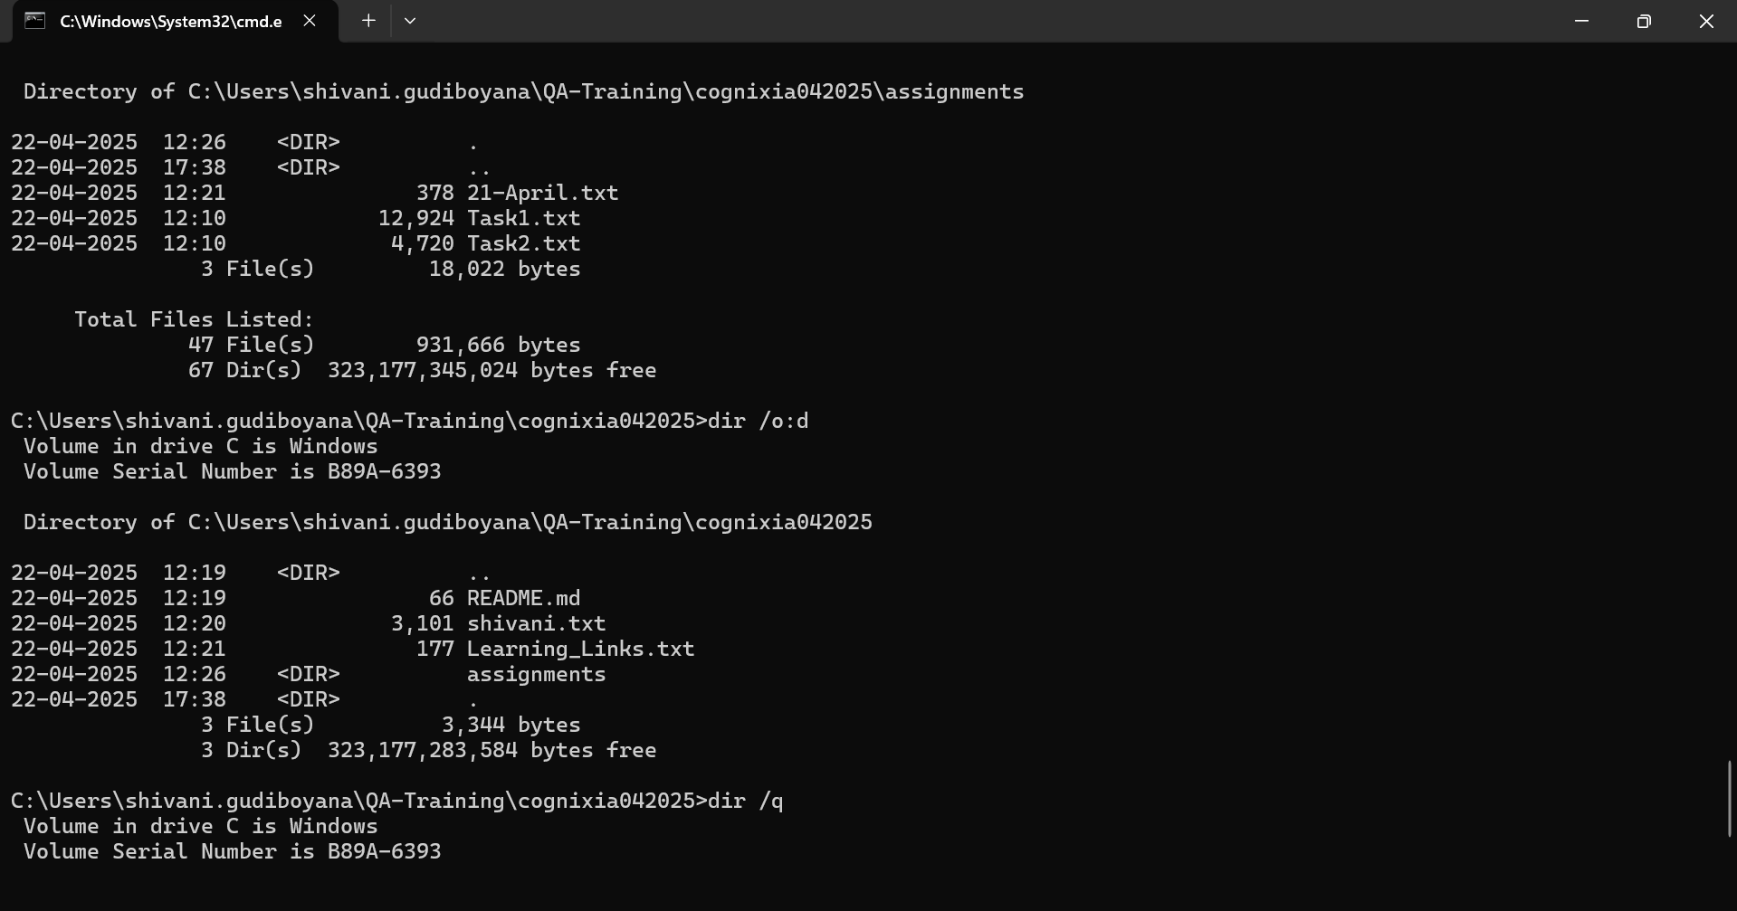
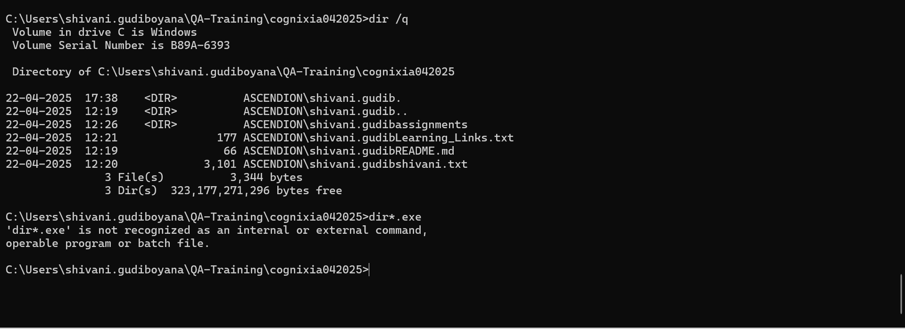
TC-ID | Test scenarious | Module Name | Test Procedure | Expected Output | Environment Setup
TC-001 | Verify basic directory listing | dir | A. Open Command Prompt B. Navigate to target directory C. Type dir | List of files and folders with size, date, time | Windows OS, test folder with files
TC-002 | List all files including hidden/system | dir /a | A. Open Command Prompt B. Navigate to directory C. Type dir/a | All files including hidden/system are displayed | Windows OS, test folder with hidden/system files
TC-003 | Display output in wide format | dir /w | A. Open Command Prompt B. Navigate to folder C. Type dir /w | Output is horizontal layout with filenames only | Windows OS, directory with multiple files
TC-004 | Display output one screen at a time | dir /p | A. Open Command Prompt B. Navigate to folder with many files C. Type dir /p | Output pauses each screen with “Press any key…” | Windows OS, directory with >50 files
TC-005 | List files recursively including subfolders | dir /s | A. Open Command Prompt B. Navigate to a parent folder C. Type dir /s | Displays files from current and all subfolders | Windows OS, nested folder structure
TC-006 | Sort files by date ascending (oldest first) | dir /o:d | A. Open Command Prompt B. Navigate to folder C. Type dir /o:d | Files listed in order from oldest to newest | Windows OS, folder with files of different dates
TC-007 | Display file ownership details | dir /q | A. Open Command Prompt B. Navigate to directory C. Type dir /q | Displays file owners next to each file | Windows OS with NTFS, may require elevated rights
TC-008 | Show only .exe files | dir *.exe | A. Open Command Prompt B. Navigate to folder C. Type dir *.exe | Lists only .exe files | Windows OS, folder with mixed file types

